AZMP Lines
station | lat | lon
AZMP-STA27 | 47.53536667 | -52.58561667
BB-01 | 48.73333333 | -52.96666667
BB-02 | 48.8 | -52.75
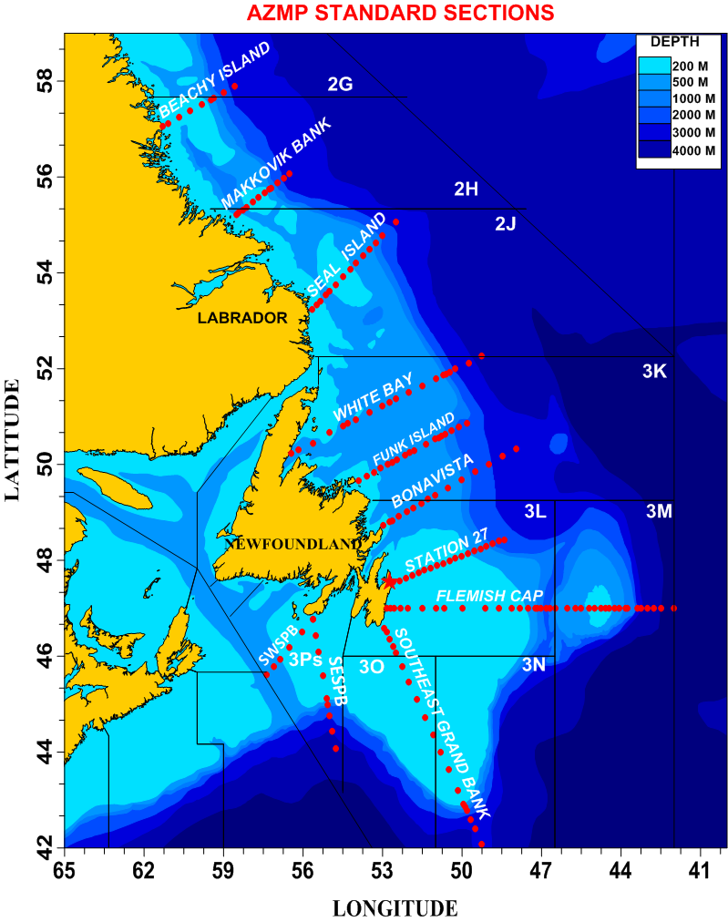
BB-03 | 48.83333333 | -52.65
BB-04 | 48.91666667 | -52.4
BB-05 | 49.025 | -52.06666667
BB-06 | 49.1 | -51.83
BB-07 | 49.19776896 | -51.59770127
BB-08 | 49.28 | -51.28
BB-09 | 49.36666667 | -51.01666667
BB-10 | 49.51666667 | -50.53333333
BB-11 | 49.68333333 | -50.01666667
BB-12 | 49.85 | -49.5
BB-13 | 50 | -49
BB-14 | 50.15497095 | -48.47767102
BB-15 | 50.33166667 | -47.94666667
BI-01 | 57.05833333 | -61.305
BI-02 | 57.11666667 | -61.1
BI-03 | 57.25 | -60.68333333
BI-04 | 57.38 | -60.25
BI-05 | 57.51666667 | -59.81666667
BI-06 | 57.61666667 | -59.475
BI-07 | 57.64333333 | -59.38333333
BI-08 | 57.76 | -59
BI-09 | 57.88333333 | -58.58333333
C5-04 | 51.59638333 | -54.59703333
C6-03 | 52.70648333 | -53.7811
C0-01 | 52.6228 | -52.2163
CSI-01 | 53.449 | -55.2995
FB-01 | 62.21166667 | -64.28
FB-01 | 62.21122167 | -64.28003833
FC-01 | 47 | -52.83166667
FC-02 | 47 | -52.705
FC-03 | 47 | -52.58
FC-04 | 47 | -52.32166667
FC-05 | 47 | -52.03333333
FC-06 | 47 | -51.485
FC-07 | 47 | -51
FC-08 | 47 | -50.66666667
FC-09 | 47 | -50
FC-10 | 47 | -49.11666667
FC-11 | 47 | -48.61666667
FC-12 | 47 | -48.11666667
FC-13 | 47 | -47.81666667
FC-14 | 47 | -47.5
FC-15 | 47 | -47.25
FC-16 | 47 | -47.16833333
FC-17 | 47 | -47.01666667
FC-18 | 47 | -46.83333333
FC-19 | 47 | -46.67
FC-20 | 47 | -46.48333333
FC-21 | 47 | -46.01666667
FC-22 | 47 | -45.73
FC-23 | 47 | -45.5
FC-24 | 47 | -45.21333333
FC-25 | 47 | -44.98833333
FC-26 | 47 | -44.77166667
FC-27 | 47 | -44.57833333
FC-28 | 47 | -44.43333333
FC-29 | 47 | -44.23166667
FC-30 | 47 | -44.08333333
FC-31 | 47 | -43.83333333
FC-32 | 47 | -43.75
FC-33 | 47 | -43.4
FC-34 | 47 | -43.25
FC-35 | 47 | -43
FC-36 | 47 | -42.75
FC-37 | 47 | -42.5
FC-38 | 47 | -42
Glider | 48.8185 | -52.03688333
LC AOI-01-02 | 45.69616667 | -57.254
LC AOI-01-04 | 45.69666667 | -57.22333333
LC AOI-02-03 | 45.5148 | -56.67206667
MB-01 | 55.21666667 | -58.51333333
MB-02 | 55.25 | -58.43666667
MB-03 | 55.31333333 | -58.28666667
MB-04 | 55.37166667 | -58.145
MB-05 | 55.47833333 | -57.90666667
MB-06 | 55.57666667 | -57.675
MB-07 | 55.67833333 | -57.44
MB-08 | 55.74666667 | -57.27833333
MB-09 | 55.77 | -57.22166667
MB-10 | 55.87166667 | -56.98333333
MB-11 | 55.97833333 | -56.74166667
MB-12 | 56.07833333 | -56.51
MM-AMAR-03 | 47.00016667 | -47.0515
Morris Mooring | 47.93969 | -48.26796167
PB-01_OLD | 46.90710054 | -54.6757
PB-04 | 46.92033333 | -54.69283333
RB-01 | 59.63333333 | -63.56666667
RB-02 | 59.71666667 | -63.06666667
RB-03 | 59.79842607 | -62.57296965
RB-04 | 59.88333333 | -62.08333333
RB-05 | 59.98333333 | -61.56666667
RB-06 | 60.08333333 | -61.05
S27-01 | 47.5467 | -52.5867
S27-02 | 47.58 | -52.35
S27-03 | 47.63 | -52.12
S27-04 | 47.68 | -51.88
S27-05 | 47.74 | -51.65
S27-06 | 47.79 | -51.42
S27-07 | 47.84 | -51.19
S27-08 | 47.89 | -50.95
S27-09 | 47.94 | -50.72
S27-10 | 47.99 | -50.48
S27-11 | 48.04 | -50.25
S27-12 | 48.09 | -50.02
S27-13 | 48.14 | -49.78
S27-14 | 48.19 | -49.55
S27-15 | 48.24 | -49.31
S27-16 | 48.29 | -49.08
S27-17 | 48.35 | -48.85
S27-18 | 48.4 | -48.62
S27-19 | 48.43333333 | -48.41
S27-20 | 48.5 | -48.14833333
S27-21 | 48.58166667 | -47.76166667
S27-22 | 48.68666667 | -47.28666667
S27-23 | 48.79 | -46.80333333
S27-AZFP-03 | 47.55666667 | -52.58916667
SEGB-01 | 46.58333333 | -52.93333333
SEGB-02 | 46.5 | -52.85
SEGB-03 | 46.35 | -52.73333333
SEGB-04 | 46.20833333 | -52.60833333
SEGB-05 | 46.07 | -52.5
SEGB-06 | 45.78833333 | -52.26666667
SEGB-07 | 45.45833333 | -52
SEGB-08 | 45.095 | -51.7
SEGB-09 | 44.725 | -51.395
SEGB-10 | 44.36333333 | -51.10333333
SEGB-11 | 44 | -50.80833333
SEGB-12 | 43.63333333 | -50.51666667
SEGB-13 | 43.2 | -50.16666667
SEGB-14 | 42.92 | -49.94166667
SEGB-15 | 42.85 | -49.88666667
SEGB-16 | 42.775 | -49.82833333
SEGB-17 | 42.58833333 | -49.68333333
SEGB-18 | 42.395 | -49.51833333
SEGB-19 | 42.08166667 | -49.27
SEGB-20 | 41.7 | -48.95
SEGB-21 | 41.33333333 | -48.66666667
SESPB-01 | 46.77366667 | -55.619
SESPB-02 | 46.43733333 | -55.514
SESPB-03 | 46.07966667 | -55.4025
SESPB-04 | 45.5875 | -55.25616667
SESPB-05 | 45.10633333 | -55.1055
SESPB-06 | 44.98716667 | -55.06783333
SESPB-07 | 44.81166667 | -55.00933333
SESPB-08 | 44.4305 | -54.89366667
SESPB-09 | 44.07466667 | -54.78216667
SI-01 | 53.23333333 | -55.65
SI-02 | 53.33333333 | -55.5
SI-03 | 53.41 | -55.35666667
SI-04 | 53.53333333 | -55.145
SI-05 | 53.61666667 | -55
SI-06 | 53.75666667 | -54.77666667
SI-07 | 53.91666667 | -54.5
SI-08 | 54.08166667 | -54.21666667
SI-09 | 54.2 | -54
SI-10 | 54.355 | -53.73333333
SI-11 | 54.5 | -53.5
SI-12 | 54.63333333 | -53.25
SI-13 | 54.78333333 | -53
SI-14 | 55.06666667 | -52.5
SWSPB-01 | 46.77366667 | -55.619
SWSPB-02 | 46.50483333 | -56.02983333
SWSPB-03 | 46.18133333 | -56.51083333
SWSPB-04 | 45.9425 | -56.87816667
SWSPB-05 | 45.84666667 | -57.02333333
SWSPB-06 | 45.61683333 | -57.37516667
TITANIC | 41.72693167 | -49.94825333
WB-01 | 50.22666667 | -56.45333333
WB-02 | 50.3 | -56.18166667
WB-03 | 50.45 | -55.61666667
WB-04 | 50.66666667 | -55
WB-05 | 50.8 | -54.5
WB-06 | 50.85166667 | -54.33
WB-07 | 50.945 | -54
WB-08 | 51.08333333 | -53.5
WB-08 | 5105 | -53.5
WB-09 | 51.225 | -53
WB-10 | 51.29833333 | -52.71666667
WB-11 | 51.36666667 | -52.48333333
WB-12 | 51.5 | -52
WB-13 | 51.64666667 | -51.5
WB-14 | 51.78833333 | -50.99166667
WB-15 | 51.86666667 | -50.70666667
WB-16 | 51.895 | -50.6
WB-17 | 51.93333333 | -50.46666667
WB-18 | 51.99333333 | -50.25
WB-19 | 52.11666667 | -49.75

